Weekly Progress Report
MODON - Weekly Progress Report - Construction Projects |  |  |  |  |  |  |  |  |  |  |  |  |  |  |  |  |  |  |  |  |  |  |  |  |  |  |  |  | Report No. | 46 | Data Date | 6-Oct-26
Contract General Information |  |  |  |  |  | Key Dates |  |  |  |  |  | Cost Summary (SR) |  |  |  |  |  |  |  | Performance Summary |  |  |  |  |  | Project Scope
Project Name | LAND DEVELOPMENT OF JEDDAH OASIS |  |  |  |  | Contract Award | 9-Nov-25 | Contract Award (Hijri) | 09/11/2025 | Revised Completion | 23-May-27 | Original Contract Value |  | 57,304,348 |  | O&M Value (if any) |  | 0 |  | Plan Value | 58.61% | Phys. Plan Value | 75.17% | Quality Score | 85.30% | Land development of jeddah oasis (The project includes construction of Roads works ; Storm water piping network with catch basins and manholes, Box Culvert ;Sewerage piping network with manhole ; Potable water piping network with fitting , valves and fire hydrant ;TSE Network ; Sewerage pump stations ;Channels ;36 KV medium voltage cable with Ring Main Unit ; Street Lighting with Unit Sub-stations , Ring Main Units and Low Voltage Cables ,concrete ducts at road crossing)
Project ID | JHD4-02-007 |  | Stage | Construction |  | Contract Sign | 16-Nov-25 | Contract Sign (Hijri) | 16/11/2025 | Committed Completion | 23-May-27 | Revised Contract Value |  | 57,304,348 |  | Submitted Invoices (Gross Value) |  | 35,217,377 |  | Earn Value | 91.11% | Phys. Earn Value | 95.10% |  | ¢¢¢¢¢ ¢¢¢££
Contractor | AL-ENJAZ TRADING AND CONTRACTING COMPANY |  | Status | Active |  | Site Handover | 24-Nov-25 | Site Handover (Hijri) | 24/11/2025 | Forecast Completion | 16-Jan-27 | Estimate At Completion Value |  | 57,304,348 |  | Penalities |  | 0 |  | Variance | 32.5% | Variance | 19.9% | Safety Score | 90.00%
Consultant | SAUDI ARABIA CONSULTING ENGINEERING COMPANY "EGIS" |  | Modon PM | Mohammed Alshunaifi |  | Original Completion | 23-May-27 | Original Completion (Hijri) | 23/05/2027 | Variance | 127 | Potential Changes |  | 0 |  | FIR Value (Todate) |  | 52,128,292 |  | FIR % | 90.97% | Invoiced % | 61% |  | ¢¢¢¢¢ ¢¢¢¢£

Progress Overview
Earned Value Progress (SAR) |  |  |  |  |  |  |  |  |  |  |  |  |  | Physical Progress (Effort) |  |  |  |  |  |  |  |  |  |  |  | Earned Value Progress (%)
WBS |  | BOQ Value (SAR) | % Wt. | Weekly (SAR) |  | To Date (SAR) |  |  |  |  |  |  |  | Budgeted | % Wt. | Weekly Physical Progress |  |  |  | To Date Physical Progress
 |  |  |  | Planned | Earned | Original Plan | Revised Planned | Earned | Original Plan % | Revised Planned % | Earned % | Variance | SPI | (Manhours) |  | Planned | Earned | Plan % | Earned % | Planned | Earned | Plan % | Earned % | Variance | SPI
Preliminaries |  | - | 0.0% | - | - | - | - | - | 0.0% | 0.0% | 0.0% | 0.0% |  | 8,492 | 2.1% | - | - | 0.0% | 0.0% | 8,492 | 8,492 | 100.0% | 100.0% | 0.0% | 1.00
Engineering |  | 1,719,130 | 3.0% | - | - | 1,719,130.43 | 1,690,947.96 | 1,719,130.43 | 100.0% | 98.4% | 100.0% | 1.6% | 1.02 | 18,263 | 4.5% | 300 | - | 1.6% | 0.0% | 18,081 | 18,270 | 99.0% | 100.0% | 1.0% | 1.01
Procuments |  | 11,460,870 | 20.0% | 153,493.79 | 537,228.27 | 10,712,587.36 | 9,337,538.80 | 11,460,869.58 | 93.5% | 81.5% | 100.0% | 18.5% | 1.23 | 82,180 | 20.2% | 1,550 | 822 | 1.9% | 1.0% | 78,465 | 83,973 | 95.5% | 102.2% | 6.7% | 1.07
ROAD WORKS |  | 13,221,675 | 23.1% | 24,913.63 | 191,195.98 | 8,086,622.69 | 7,872,669.84 | 14,215,930.23 | 61.2% | 59.5% | 107.5% | 48.0% | 1.81 | 53,186 | 13.1% | 330 | 229 | 0.6% | 0.4% | 39,127 | 54,644 | 73.6% | 102.7% | 29.2% | 1.40
Electrical Works |  | 3,953,632 | 6.9% | 65,874.25 | 96,396.14 | 2,790,664.86 | 1,438,571.31 | 4,118,689.95 | 70.6% | 36.4% | 104.2% | 67.8% | 2.86 | 58,660 | 14.4% | 1,087 | 2,064 | 1.9% | 3.5% | 21,536 | 48,131 | 36.7% | 82.1% | 45.3% | 2.23
Demolition Works |  | 506,620 | 0.9% | - | 11,184.07 | 506,619.53 | 505,616.54 | 505,616.54 | 100.0% | 99.8% | 99.8% | 0.0% | 1.00 | 14,710 | 3.6% | - | 474 | 0.0% | 3.2% | 16,105 | 16,105 | 109.5% | 109.5% | 0.0% | 1.00
Storm Water Network |  | 3,336,321 | 5.8% | 59,901.47 | 7,569.02 | 3,336,320.63 | 2,179,075.38 | 2,558,110.45 | 100.0% | 65.3% | 76.7% | 11.4% | 1.17 | 29,100 | 7.2% | 270 | 90 | 0.9% | 0.3% | 26,530 | 29,900 | 91.2% | 102.7% | 11.6% | 1.13
Plots |  | 7,378,530 | 12.9% | - | 30,411.23 | 7,378,530.38 | 4,337,407.52 | 6,668,935.04 | 100.0% | 58.8% | 90.4% | 31.6% | 1.54 | 12,640 | 3.1% | - | 43 | 0.0% | 0.3% | 10,430 | 13,641 | 82.5% | 107.9% | 25.4% | 1.31
Sewer Water Network |  | 2,156,250 | 3.8% | - | - | 2,156,250.46 | 1,505,980.97 | 1,505,980.97 | 100.0% | 69.8% | 69.8% | 0.0% | 1.00 | 24,496 | 6.0% | - | - | 0.0% | 0.0% | 20,616 | 20,616 | 84.2% | 84.2% | 0.0% | 1.00
TSE Network |  | 1,589,264 | 2.8% | 80,595.91 | - | 1,433,580.44 | 1,128,041.17 | 1,342,832.01 | 90.2% | 71.0% | 84.5% | 13.5% | 1.19 | 39,495 | 9.7% | 767 | - | 1.9% | 0.0% | 31,720 | 37,150 | 80.3% | 94.1% | 13.7% | 1.17
Potable Water Network |  | 2,200,625 | 3.8% | 48,437.47 | - | 2,140,576.48 | 1,765,711.54 | 2,005,333.58 | 97.3% | 80.2% | 91.1% | 10.9% | 1.14 | 31,247 | 7.7% | 1,445 | - | 4.6% | 0.0% | 21,802 | 27,107 | 69.8% | 86.8% | 17.0% | 1.24
Sewage Lift Station |  | 3,049,343 | 5.3% | 860.12 | 221,898.35 | - | 4,802.32 | 1,217,218.95 | 0.0% | 0.2% | 39.9% | 39.8% | 253.46 | 15,410 | 3.8% | 180 | 1,261 | 1.2% | 8.2% | 810 | 11,950 | 5.3% | 77.5% | 72.3% | 14.75
Box Culvert |  | 499,322 | 0.9% | - | - | 499,321.73 | 499,735.96 | 499,735.96 | 100.0% | 100.1% | 100.1% | 0.0% | 1.00 | 2,200 | 0.5% | - | - | 0.0% | 0.0% | 2,515 | 2,515 | 114.3% | 114.3% | 0.0% | 1.00
Open Drain Channel |  | 389,805 | 0.7% | - | - | - | 389,804.76 | 389,804.76 | 0.0% | 100.0% | 100.0% | 0.0% | 1.00 | 5,040 | 1.2% | - | - | 0.0% | 0.0% | 6,458 | 6,458 | 128.1% | 128.1% | 0.0% | 1.00
Under Pass |  | 112,526 | 0.2% | - | - | 112,526.05 | 112,526.05 | 112,526.05 | 100.0% | 100.0% | 100.0% | 0.0% | 1.00 | 1,400 | 0.3% | - | - | 0.0% | 0.0% | 1,400 | 1,400 | 100.0% | 100.0% | 0.0% | 1.00
Testing and Commissioning |  | 5,730,435 | 10.0% | - | 450,248.45 | 1,637,267.08 | 818,633.54 | 3,888,509.32 | 28.6% | 14.3% | 67.9% | 53.6% | 4.75 | 9,710 | 2.4% | - | 660 | 0.0% | 6.8% | 1,270 | 5,980 | 13.1% | 61.6% | 48.5% | 4.71
 | Total | 57,304,348 | 100.0% | 434,077 | 1,546,132 | 42,509,998 | 33,587,064 | 52,209,224 | 74.18% | 58.61% | 91.11% | 32.50% | 1.55 | 406,229 | 100.0% | 5,929 | 5,643 | 1.46% | 1.39% | 305,357 | 386,332 | 75.17% | 95.10% | 19.93% | 1.27
Earned Value - Cost
 | Baseline Plan | Revised / Recovery Plan | Earned Value | Forecast | Gross Paid Value
Nov-25 | 0.00% | 0.0% | 0.0% |  | 0.0%
Dec-25 | 2.05% | 2.7% | 2.7%
Jan-26 | 10.89% | 11.0% | 11.0% |  | 0.0%
Feb-26 | 21.81% | 15.2% | 17.7% |  | 0.0%
Mar-26 | 31.33% | 21.4% | 26.0% |  | 0.0%
Apr-26 | 37.34% | 26.9% | 36.4% |  | 0.0%
May-26 | 47.11% | 32.2% | 43.7% |  | 0.0%
Jun-26 | 58.85% | 38.3% | 53.4% |  | 0.0%
Jul-26 | 66.32% | 47.0% | 67.6% |  | 0.0%
Aug-26 | 71.90% | 53.6% | 77.9% |  | 0.0%
Sep-26 | 77.81% | 57.9% | 88.4% |  | 0.0%
Oct-26 | 78.48% | 63.1% | 91.1% | 91.1% | 0.0%
Nov-26 | 81.60% | 70.4% |  | 95.8%
Dec-26 | 82.92% | 75.1% |  | 98.5%
Jan-27 | 85.95% | 81.7% |  | 100.0%
Feb-27 | 89.88% | 86.9%
Mar-27 | 93.47% | 93.4%
Apr-27 | 100.00% | 98.4%
May-27 |  | 100.0%
Jun-27 | 0.00%
Physical Progress - Effort
 | Baseline Plan | Revised / Recovery Plan | Earned Effort % | Forecast
Nov-25 | 0.2% | 0.2% | 0.15%
Dec-25 | 5.5% | 5.4% | 5.41%
Jan-26 | 12.3% | 16.3% | 16.30%
Feb-26 | 19.3% | 20.3% | 23.64%
Mar-26 | 26.5% | 27.8% | 33.64%
Apr-26 | 38.0% | 34.9% | 48.21%
May-26 | 51.6% | 42.2% | 55.08%
Jun-26 | 66.9% | 51.5% | 66.90%
Jul-26 | 77.2% | 60.4% | 76.27%
Aug-26 | 80.7% | 67.4% | 84.86%
Sep-26 | 83.8% | 73.8% | 93.71%
Oct-26 | 85.3% | 79.4% | 95.10% | 93.7%
Nov-26 | 87.6% | 84.2% |  | 96.0%
Dec-26 | 90.4% | 87.7% |  | 98.9%
Jan-27 | 91.8% | 91.1% |  | 100.0%
Feb-27 | 94.0% | 93.6%
Mar-27 | 96.6% | 97.4%
Apr-27 | 99.8% | 99.3%
May-27 | 100.0% | 100.0%
Jun-27
 |  |  |  |  |  |  |  |  |  |  |  |  |  |  |  |  |  |  |  |  |  |  |  |  |  | Construction Milestones
 |  |  |  |  |  |  |  |  |  |  |  |  |  |  |  |  |  |  |  |  |  |  |  |  |  | Item No. | Milestones |  | Original (Baseline) | Latest Plan | Forecast | Status | Days Change
 |  |  |  |  |  |  |  |  |  |  |  |  |  |  |  |  |  |  |  |  |  |  |  |  |  | 1 | Award Date |  | 9-Nov-25 | 9-Nov-25 | 9-Nov-25 | A | 0
 |  |  |  |  |  |  |  |  |  |  |  |  |  |  |  |  |  |  |  |  |  |  |  |  |  | 2 | Contract Sign Date |  | 16-Nov-25 | 16-Nov-25 | 16-Nov-25 | A | 0
 |  |  |  |  |  |  |  |  |  |  |  |  |  |  |  |  |  |  |  |  |  |  |  |  |  | 3 | Site Handover Date |  | 24-Nov-25 | 24-Nov-25 | 24-Nov-25 | A | 0
 |  |  |  |  |  |  |  |  |  |  |  |  |  |  |  |  |  |  |  |  |  |  |  |  |  | 4 | Complete Mobilization |  | 23-Dec-25 | 23-Dec-25 | 23-Dec-25 | A | 0
 |  |  |  |  |  |  |  |  |  |  |  |  |  |  |  |  |  |  |  |  |  |  |  |  |  | 7 | Complete delivery of all equipment and materials |  | 31-Dec-26 | 6-Jan-27 | 6-Oct-26 |  | 92
 |  |  |  |  |  |  |  |  |  |  |  |  |  |  |  |  |  |  |  |  |  |  |  |  |  | 8 | Complete Road Works |  | 22-Sep-26 | 17-Dec-26 | 6-Oct-26 |  | 72
 |  |  |  |  |  |  |  |  |  |  |  |  |  |  |  |  |  |  |  |  |  |  |  |  |  | 9 | Complete Electrical – Mv Distribution Network |  | 6-May-27 | 15-Feb-27 | 16-Dec-26 |  | 61
 |  |  |  |  |  |  |  |  |  |  |  |  |  |  |  |  |  |  |  |  |  |  |  |  |  | 10 | Completion of Potable Water Network |  | 23-Nov-26 | 19-Jan-27 | 5-Sep-26 |  | 136
 |  |  |  |  |  |  |  |  |  |  |  |  |  |  |  |  |  |  |  |  |  |  |  |  |  | 11 | Complete all Works including Testing & Commissioning, Cleanup, Closeout Documentation and Ready for Initial Handover |  | 23-May-27 | 1-Jun-27 | 3-Jan-27 |  | 149
 |  |  |  |  |  |  |  |  |  |  |  |  |  |  |  |  |  |  |  |  |  |  |  |  |  | 12 | Complete Demobilization |  | 23-May-27 | 14-Jun-27 | 16-Jan-27 |  | 149
Project Status Score
 | Max | Score
SPI (Physical Effort) | 100% | 1.27
SPI (Cost) | 100% | 1.55
On Schedule -Active | 100% | 1.00
Manpower Availability | 100% | 2.97
Major Equipment Availability | 100% | 3.77
Billing % Compared to Planned | 100% | 0.68
Safety Score | 100% | 0.88
Quality Score | 100% | 0.87
Actual Invoices
 | Monthly Gross Value
 | 1,746,674.44
 | 3,674,180.73
 | 6,206,943.26
 | 4,258,632.44
 | 2,976,928.82
 | 5,023,065.22
 | 5,345,982.47
 | 5,984,969.54

4,402,172

Performance overview
Submittals Status |  |  |  |  |  |  |  |  |  |  | Quality |  |  |  |  |  |  |  |  |  |  | Safety
Shop Drawings |  |  |  |  |  |  |  |  |  |  | Quality Reports |  |  |  |  |  |  |  |  |  |  | Safety Statistics |  |  |  |  |  |  |  | Proactive Vs Reactive Actions Taken
Item Per WBS |  | Total | Total Submitted Drawings |  |  |  |  | Remaining | Pending | Total Submittals | Quality Reports |  | Issued | Closed | Pending | Avg. Closing (Days) | Pending |  |  |  |  | Category | Item |  | This Week |  | This Month | Year to Date | Cumulative
 |  |  | A | B | C | D | Processed |  |  |  |  |  |  |  |  |  | 0-10 Days | 11-20 Days | 21-30 Days | 31-60 Days | > 60 Days
General |  | 1 | 0 | 1 | 0 | 0 | 1 | 0 | 0 | 1 |  |  |  |  |  |  |  |  |  |  |  | General | Total Hours Worked |  | 11,376 |  | 11,376 | 480,230 | 493,390 |  |  | Proactive | 386
Road Works |  | 260 | 50 | 210 | 0 | 0 | 260 | 0 | 0 | 260 | Non Conformance (NCR) |  | 43 | 43 | 0 | 0 | 0 | 0 | 0 | 0 | 0 |  | Safe Hours Worked |  | 11,376 |  | 11,376 | 480,230 | 493,390 |  |  | Reactive | 0
Civil |  | 46 | 7 | 39 | 0 | 0 | 46 | 0 | 0 | 46 | Site Instruction (SIR/SOR) |  | 10 | 10 | 0 | 0 | 0 | 0 | 0 | 0 | 0 | Reactive | LTI |  | 0 |  | 0 | 0 | 0
Mechanical |  | 9 | 0 | 9 | 0 | 0 | 9 | 0 | 0 | 9 | Material Inspection (MRIR) |  | 116 | 116 | 0 | 0 | 0 | 0 | 0 | 0 | 0 |  | MTC (Healed w/o Disability) |  | 0 |  | 0 | 0 | 0
Electrical |  | 73 | 6 | 67 | 0 | 0 | 73 | 0 | 0 | 73 | Field Inspection (FIR) |  | 1,571 | 1,551 | 20 | 0 | 0 | 0 | 0 | 0 | 0 |  | MTC (Healed w/ Disability) |  | 0 |  | 0 | 0 | 0
TOTAL |  | 389 | 63 | 326 | 0 | 0 | 389 | 0 | 0 | 389 | Key Submittals Approval Status |  |  |  |  |  |  |  |  |  |  |  | Near Miss |  | 0 |  | 0 | 0 | 0
Material Approval |  |  |  |  |  |  |  |  |  |  | 1 Quality Plan Approval |  |  | 17-Jan-26 |  | 6 Baseline Approval |  |  |  | 21-Dec-25 |  |  | First Aid Cases |  | 0 |  | 0 | 0 | 0 | Total Hours Worked Vs Safe Hours Worked
Item Per WBS |  | Total | Total Submitted Material |  |  |  |  | Remaining to approve | Pending | Total Submittals | 2 Quality Plan Last Up |  |  | 1 |  | 7 No of Approved Version of Schedule |  |  |  | 1 |  |  | Fatality |  | 0 |  | 0 | 0 | 0
 |  |  | A | B | C | D | Processed |  |  |  | 3 Safety Plan Approval |  |  | 28-Dec-25 |  | 8 Last Approved Schedule |  |  |  | 21-Dec-25 |  |  | Fire Incident Cases |  | 0 |  | 0 | 0 | 0
General |  | 0 | 0 | 0 | 0 | 0 | 0 | 0 | 0 | 0 | 4 Safety Plan Last Up |  |  | 1 |  | 9 BOQ Approval Date |  |  |  | 24-Nov-25 |  |  | Vehicle Incident |  | 0 |  | 0 | 0 | 0
Road Works |  | 0 | 0 | 0 | 0 | 0 | 0 | 0 | 0 | 0 | 5 Execution Plan Approval |  |  | 12-Jan-26 |  | 10 No of Approved Version of BOQ |  |  |  | 1 |  |  | Property Damages |  | 0 |  | 0 | 0 | 0
Civil |  | 54 | 54 | 0 | 0 |  | 54 | 0 | 0 | 54 | Invoices Summary |  |  |  |  |  |  |  |  |  |  | Proactive | Induction Training |  | 0 |  | 0 | 69 | 80
Mechanical |  | 59 | 55 | 4 | 0 | 0 | 59 | 0 | 0 | 59 | Total Submitted Invoices |  | 8 | Submitted Invoices (SAR) |  |  | 40,499,983 |  | Contract Value (SR) | 57,304,348 |  |  | No.of Internal Training |  | 7 |  | 7 | 259 | 264
Electrical |  | 33 | 0 | 33 | 0 | 0 | 33 | 0 | 0 | 33 | PM Approved Invoices |  | 7 | PM Approved Invoices (SAR) |  |  | 33,617,268 |  | Planned Value (SR) | 33,587,064 |  |  | No.of Internal Audit |  | 0 |  | 0 | 0 | 0
TOTAL |  | 146 | 109 | 37 | 0 | 0 | 146 | 0 | 0 | 146 | No of Paid Invoices |  | 3 | Paid Invoices (SAR) |  |  | 27,469,389 |  | Earned Value (SR) | 52,209,224 |  |  | No. of Toolbox Talks |  | 1 |  | 1 | 41 | 42
Procurement Summary |  |  |  |  |  |  |  |  |  |  | No of Pending Invoices |  | 4 | Last Submitted Period |  |  |  |  | Submitted (SAR) | 40,499,983 |  |  | Safety Awards/Incentives |  | 0 |  | 0 | 0 | 0
Item Per WBS |  | Total Materials | Total Number of P.O. | Actual P.O. To Date | Remaining P.O | Material on Site | Remaining Materials | Material Delivery Completion (Date) |  |  | Advance Payment % |  | 0% | Advance Payment (SAR) |  |  | 0 |  | PM Approved (SAR) | 33,617,268 |  | Latest Contract Change Order Log
 |  |  |  |  |  |  |  |  |  |  | Retention % |  | 0% | Retention (SAR) |  |  | 0 |  | Total Paid (SAR) | 27,469,389
General |  | 0 | 0 |  | 0 | 0 | 0 | 28-Feb-26 |  |  | Deduction / Penalties % |  | 0% | Deduction / Penalties (SAR) |  |  | 0 |  |  |  |  | CCO No. | Date Added | Description of Change |  |  |  |  | Status | Cost | Sch Impact (Months) | Date Approved | Duration
Road Works |  | 0 | 0 |  | 0 | 0 | 0 | 28-Feb-26 |  |  | Resources at Site
Civil |  | 0 | 0 | 0 | 0 | 0 | 0 | 28-Feb-26 |  |  | Head Count - Non Manual |  |  |  | Head Count - Manual |  |  |  | Total Head Count |  |  | 0 | 0 | 0 |  |  |  |  | 0 | 0 | 0 | 0 | 0
Mechanical |  | 18 | 18 | 18 | 0 | 15 | 3 | 15-Sep-26 |  |  | Planned | Actual | Next Month Forecast | Saudi Staff | Planned | Actual | Next Month Forecast | Saudi Staff | Total Plan | Total Actual | Variance
Electrical |  | 16 | 16 | 16 | 0 | 12 | 4 | 15-Sep-26 |  |  | 12 | 49 | 12 | 0 | 61 | 181 | 47 | 0 | 73 | 230 | 157
TOTAL |  | 34 | 34 | 34 | 0 | 27 | 7 | 15-Sep-26 |  |  | Manpower Breakdown by Trade |  |  |  |  |  |  | Major Equipment
 | Plan - Monthly | Actual - Monthly | Forecast - Monthly
Nov-25 | 2 | 20
Dec-25 | 44 | 63
Jan-26 | 113 | 115
Feb-26 | 118 | 133 | 0
Mar-26 | 126 | 142 | 0
Apr-26 | 195 | 196 | 0
May-26 | 206 | 207 | 0
Jun-26 | 208 | 211 | 0
Jul-26 | 152 | 181 | 0
Aug-26 | 56 | 181
Sep-26 | 140 | 179
Oct-26 | 136 | 179 | 0
Nov-26 | 47 |  | 47
Dec-26 | 56 |  | 56
Jan-27 | 29 |  | 29
Feb-27 | 51 |  | 51
Mar-27 | 58 |  | 58
Apr-27 | 50 |  | 50
May-27 | 0 |  | 0
Primavera P6 Schedule Status |  |  |  |  |  |  |  |  |  |  | Key Trade | Planned | Actual |  |  |  |  | Type | Planned | Actual | Idle
Project Activities Overview |  |  |  |  |  |  |  |  |  |  | General Labor | 14 | 16 |  |  |  |  | Excavator | 2 | 15 | 0
Schedule Statistics |  |  |  |  | Active Schedule Activities |  |  |  |  |  | Carpenter | 0 | 0 |  |  |  |  | Loader | 3 | 8 | 0 | Major Quantity Trackers
Total Act. | Not Started | In Progress | Completed | % | Active | Ahead | On | Behind | Flag | 0 | Plumber | 0 | 0 |  |  |  |  | Dozer | 2 | 7 | 0 | BOQ N0. | Item Description |  |  |  |  | Total Qty | Measu Unit | Plan to Date | Act to Date | Remaining | Variance
1,218 | 41 | 13 | 1,164 | 95.57% | 13 | 13 | 0 | 0 | 13 |  | Operator | 42 | 99 |  |  |  |  | Dump Truck | 20 | 40 | 0 | B1.31 22 00.03 | Road backfilling |  |  |  |  | 329706.66 | m³ | 329706.66 | 329706.66 | 0.00 | 0.00
Critical Path Activities |  |  | Free Float Management (Total) |  |  |  | Failed Start Activities |  |  |  | Steel Fixer | 0 | 0 |  |  |  |  | Crane | 1 | 1 | 0 | B1.31 22 00.04 | Plots backfilling |  |  |  |  | 718628.27 | m³ | 422409.00 | 645126.00 | 73502.27 | 222717.00
 |  |  | Greater Than 14 Days |  | Less Than 14 Days |  |  |  |  |  | Mason | 0 | 0 |  |  |  |  | Grader | 2 | 8 | 0 | B1.31 22 00.05 | Subgrade |  |  |  |  | 30811.51 | m³ | 30811.51 | 30811.51 | 0.00 | 0.00
Last Week | This Week | Diff | Last Week | This Week | Last Week | This Week | Last Week | This Week | Flag | 0 | Others | 5 | 66 |  |  |  |  | Other | 0 | 34 | 0 | B1.32 11 23.01 | Aggregate base course |  |  |  |  | 19162.00 | m³ | 19162.00 | 19162.00 | 0.00 | 0.00
0 | 0 | 0 | 10 | 4 | 8 | 3 | 8 | 4 | 4 |  | Total | 61 | 181 |  |  |  |  | Total | 30 | 113 | 0 | B1.32 11 26.01 | Bituminous base course (Grading I - Class A), including Prime Coat (MC1) and tack coat (RC2) (if any) |  |  |  |  | 7129.00 | m³ | 5865.00 | 7129.00 | 0.00 | 1264.00
Weekly Prgoress Photos |  |  |  |  |  |  |  |  |  |  |  |  |  |  |  | Top Issues and Risks
MV Cable Work at Existing Zone |  |  |  |  | Installation of AC in Lift Station |  |  |  |  |  | Land Backfilling |  |  |  |  | Top 5 Issues
 |  |  |  |  |  |  |  |  |  |  |  |  |  |  |  | Issue No | Date Identified | Issue Description |  |  |  | Responsible | Action Taken |  |  | Mitigation |  |  |  |  | Current Status | Expected/Actual Closure | Duration Elapsed
 |  |  |  |  |  |  |  |  |  |  |  |  |  |  |  | 1 | 2025-12-01 | Reducing the scope of works along Road No. 6, including all utility networks located within this road |  |  |  | #REF! | Issuing a new scope of work to include all ongoing activities covered under the contract |  |  |  |  |  |  |  | Closed | 2026-01-25 | 55
 |  |  |  |  |  |  |  |  |  |  |  |  |  |  |  | 2 | 2025-12-28 | Scope of Work for the Proposed Wadi Channel and Box Culvert The proposed scope of work does not include the installation of rock protection at either the upstream or downstream ends to safeguard the soil against erosion resulting from water flow. Furthermore, the revised alignment of the wadi channel does not incorporate any rock protection measures along the direction of the water flow |  |  |  | #REF! | There is a need to issue a decision regarding the implementation of grouted riprap works along the wadi, as well as at the inlet and outlet of the culvert |  |  |  |  |  |  |  | Closed | 2026-01-25 | 28
 |  |  |  |  |  |  |  |  |  |  |  |  |  |  |  | 3 | 2025-12-28 | Cross‑Section of the Wadi Channel The wadi channel has a bottom width of 15 meters and a depth of 2 meters, while the top width reaches 24 meters. According to the flow direction, the proposed box culvert CU‑02, with dimensions (3 × 2 × 1.5), provides a total bottom width of only 6.7 meters. This indicates a significant discrepancy between the width of the wadi channel and the width of the proposed culvert |  |  |  | #REF! | The IFC is followed as shown in the drawings |  |  |  |  |  |  |  | Closed | 2025-12-30 | 2
 |  |  |  |  |  |  |  |  |  |  |  |  |  |  |  | 4 | 2025-12-28 | In accordance with the scope of work for the existing underpasses—which includes the removal of portions of the side walls (upstream and downstream), the installation of retaining walls at the inlet and outlet, and the construction of a concrete slab at the opening of the existing road’s top slab—we would like to inform you of the following: It is anticipated that, in the future, water leakage may occur, along with the emission of unpleasant odors, in addition to the potential emergence of health-related issues as a result of these works |  |  |  | #REF! | The complete removal of the existing underpass concrete elements, followed by backfilling with selected and properly compacted fill materials in accordance with the approved technical specifications, in preparation for re‑establishing the road level and connecting it to the surrounding network |  |  |  |  |  |  |  | Closed | 2026-01-25 | 28
 |  |  |  |  |  |  |  |  |  |  |  |  |  |  |  | 5 | 2025-12-30 | Install and maintain hard barriers around all deep openings, enforce strict no-leaning/no-entry rules, conduct regular toolbox talks, ensure continuous supervision, and implement confined space controls if entry is required. |  |  |  | #REF! | Provided hard barrications around the excavations, permit is obtained and excavation safety training has been delivered. |  |  |  |  |  |  |  | Closed | 2026-04-01 | 92

Weekly Photos
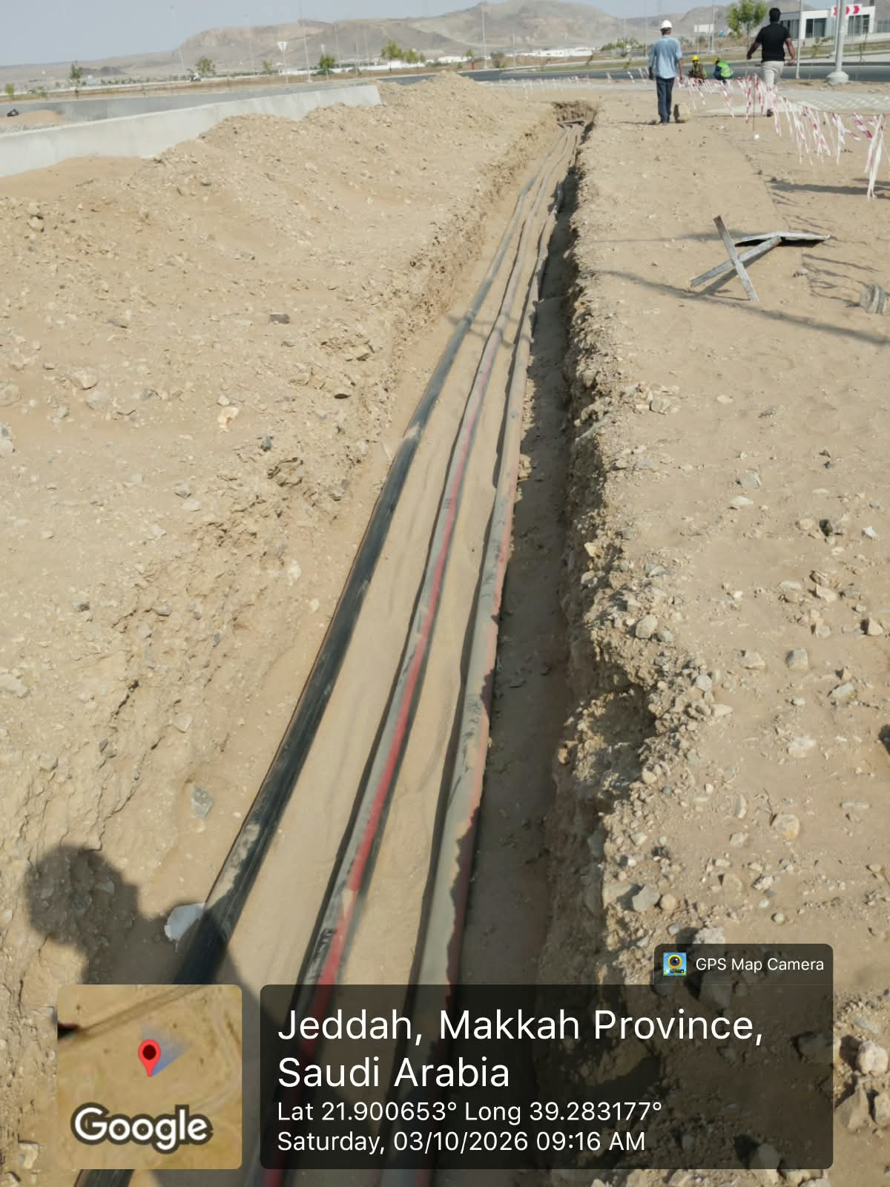
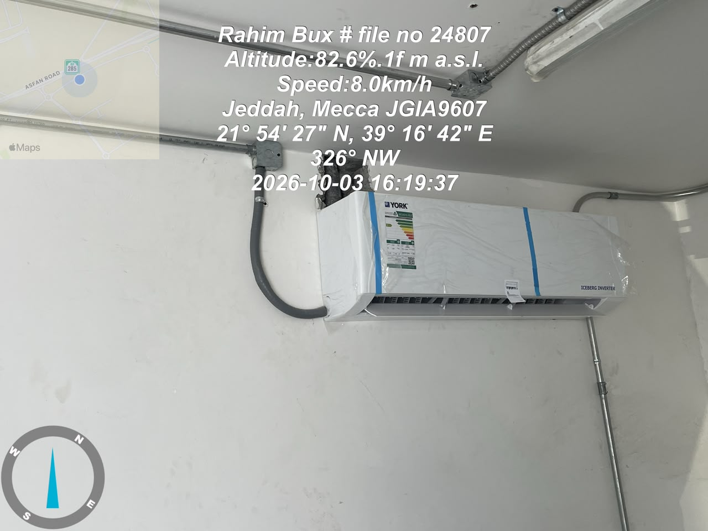
Date | 6-Oct-26

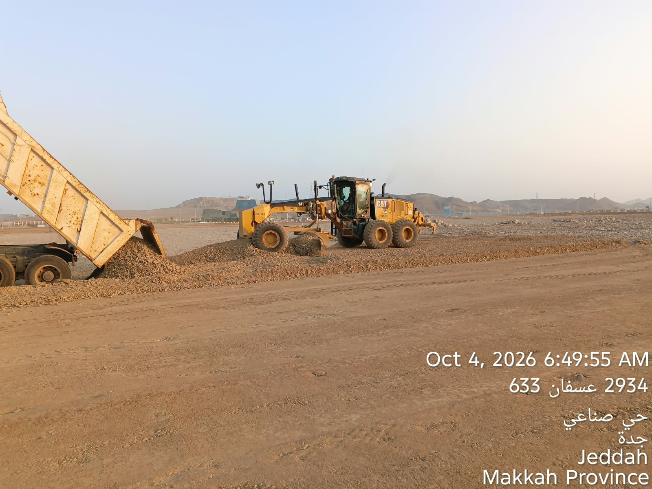
Land Backfilling |  | Earth Work at Khaima Road
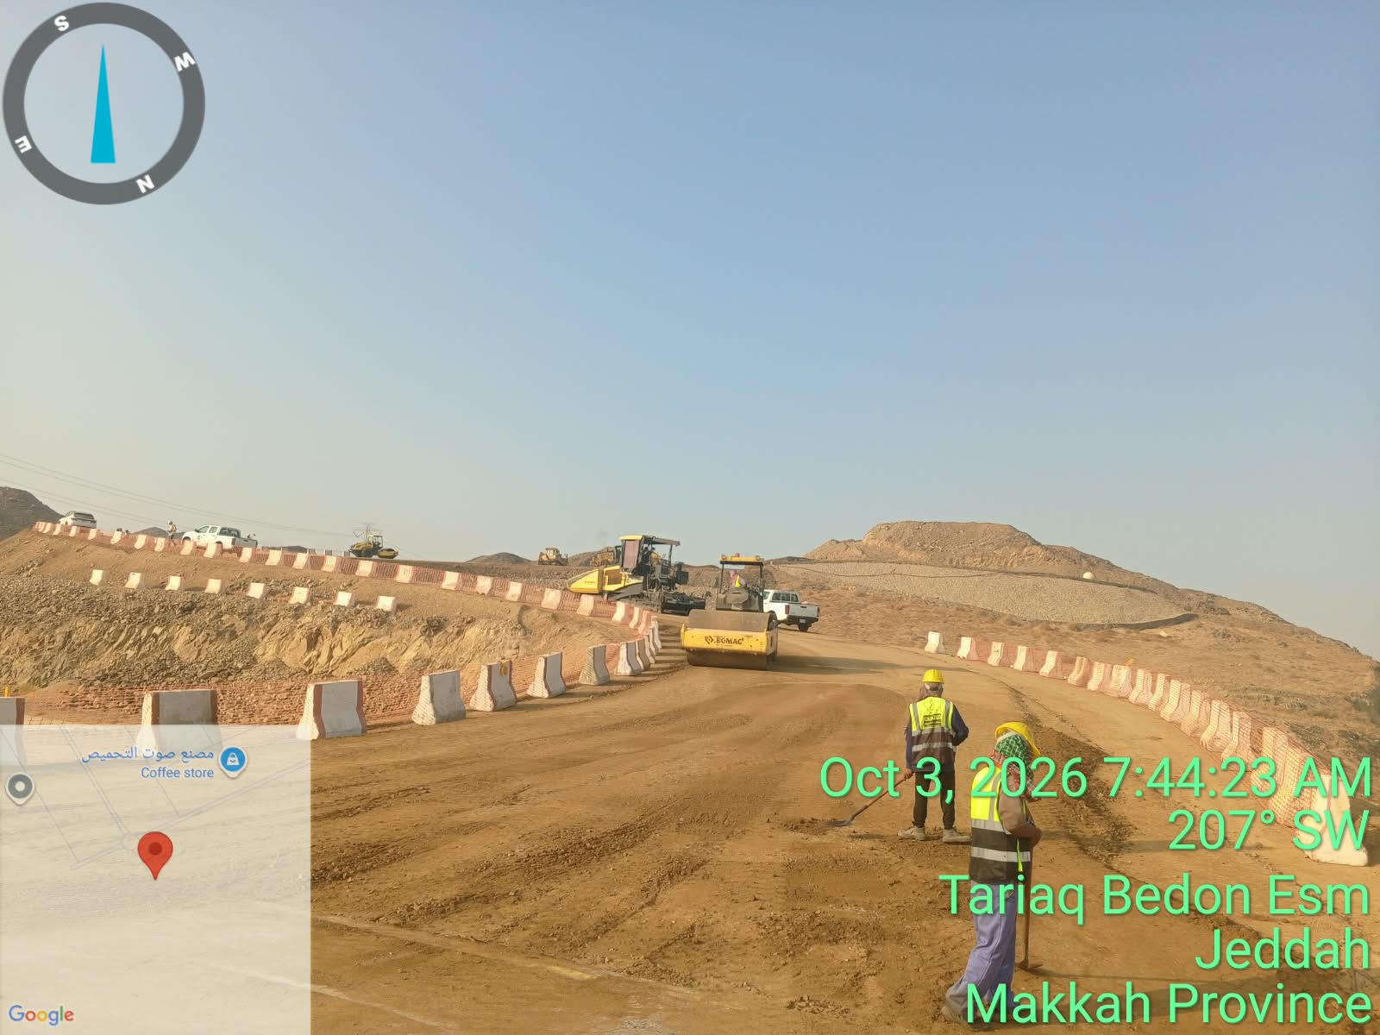

MV Cable Work at Existing Zone |  | Installation of AC in Lift Station

Manpower
MANUAL MANPOWER HISTOGRAM
 | Plan - Monthly | Actual - Monthly | Forecast - Monthly
Nov-25 | 2 | 20
Dec-25 | 44 | 63
Jan-26 | 113 | 115
Feb-26 | 118 | 133 | 0
Mar-26 | 126 | 142 | 0
Apr-26 | 195 | 196 | 0
May-26 | 206 | 207 | 0
Jun-26 | 208 | 211 | 0
Jul-26 | 152 | 181 | 0
Aug-26 | 56 | 181
Sep-26 | 140 | 179
Oct-26 | 136 | 179 | 0
Nov-26 | 47 |  | 47
Dec-26 | 56 |  | 56
Jan-27 | 29 |  | 29
Feb-27 | 51 |  | 51
Mar-27 | 58 |  | 58
Apr-27 | 50 |  | 50
May-27 | 0 |  | 0
Head-Count ( Non Manual)
MONTHS | Nov-25 | Dec-25 | Jan-26 | Feb-26 | Mar-26 | Apr-26 | May-26 | Jun-26 | Jul-26 | Aug-26 | Sep-26 | Oct-26 | Nov-26 | Dec-26 | Jan-27 | Feb-27 | Mar-27 | Apr-27 | May-27
Plan - Monthly | 12 | 12 | 12 | 12 | 12 | 12 | 12 | 12 | 12 | 12 | 12 | 12 | 12 | 12 | 12 | 12 | 12 | 12 | 12
Planned - Cumulative | 12 | 24 | 36 | 48 | 60 | 72 | 84 | 96 | 108 | 120 | 132 | 144 | 156 | 168 | 180 | 192 | 204 | 216 | 228
Actual - Monthly | 12 | 29 | 35 | 49 | 49 | 49 | 49 | 48 | 49 | 49 | 49 | 49
Actual Cumulative | 12 | 41 | 76 | 125 | 174 | 223 | 272 | 320 | 369 | 418 | 467 | 516 | 516 | 516 | 516 | 516 | 516 | 516 | 516
Forecast - Monthly |  |  |  |  |  |  |  |  |  |  |  | 12 | 12 | 12 | 12 | 12 | 12 | 12 | 12
Saudi Monthly - Actual | 0 | 3 | 5 | 5
Head-Count (Manual)
MONTHS | Nov-25 | Dec-25 | Jan-26 | Feb-26 | Mar-26 | Apr-26 | May-26 | Jun-26 | Jul-26 | Aug-26 | Sep-26 | Oct-26 | Nov-26 | Dec-26 | Jan-27 | Feb-27 | Mar-27 | Apr-27 | May-27
Plan - Monthly | 2 | 44 | 113 | 118 | 126 | 195 | 206 | 208 | 152 | 56 | 140 | 136 | 47 | 56 | 29 | 51 | 58 | 50 | 0
Planned - Cumulative | 2 | 46 | 159 | 277 | 403 | 598 | 804 | 1012 | 1164 | 1220 | 1360 | 1496 | 1543 | 1599 | 1628 | 1679 | 1737 | 1787 | 1787
Actual - Monthly | 20 | 63 | 115 | 133 | 142 | 196 | 207 | 211 | 181 | 181 | 179 | 179
Actual Cumulative | 20 | 83 | 198 | 331 | 473 | 669 | 876 | 1087 | 1268 | 1449 | 1628 | 1807 | 1807 | 1807 | 1807 | 1807 | 1807 | 1807 | 1807
Forecast - Monthly |  |  |  | 0 | 0 | 0 | 0 | 0 | 0 |  |  |  | 47 | 56 | 29 | 51 | 58 | 50 | 0
Saudi - Actual | 0 | 0 | 0 | 0 | 0 | 0 | 0 | 0 | 0 | 0 | 0 | 0 | 0 | 0

Head-Count (Non-Manual) |  |  |  |  |  |  |  |  |  |  |  |  |  |  |  |  |  |  |  |  |  |  |  | Month | Oct-26 | Nov-26
Planned | Actual |  | Variance |  | Forecast Next Month |  | Saudi Staff
12 | 49 |  | 37 |  | 12 |  | 0

Head-Count (Manual) |  |  |  |  |  |  |  |  |  |  | Man Power by Trade
Planned | Actual |  | Variance |  | Forecast Next Month |  | Saudi Staff |  |  |  | Key Trade |  | General Labor |  | Carpenter |  | Plumber |  | Operator | Steel Fixer | Mason | Others | Total
136 | 179 |  | 43 |  | 47 |  | 0 |  |  |  | Plan |  | 14 |  | 0 |  | 0 |  | 42 | 0 | 0 | 5 | 61
 |  |  |  |  |  |  |  |  |  |  | Actual |  | 16 |  | 0 |  | 0 |  | 99 | 0 | 0 | 66 | 181

EQUIPMENT HISTOGRAM
 | Plan - Monthly | Actual - Monthly | Forecast - Monthly
Nov-25 | 0 | 5
Dec-25 | 21 | 54
Jan-26 | 95 | 99
Feb-26 | 96 | 97 | 0
Mar-26 | 93 | 95 | 0
Apr-26 | 99 | 102 | 0
May-26 | 92 | 102 | 0
Jun-26 | 86 | 102 | 0
Jul-26 | 68 | 113 | 0
Aug-26 | 34 | 113 | 0
Sep-26 | 94 | 99 | 0
Oct-26 | 78 | 99 | 0
Nov-26 | 23 |  | 23
Dec-26 | 15 |  | 15
Jan-27 | 10 |  | 10
Feb-27 | 11 |  | 11
Mar-27 | 14 |  | 14
Apr-27 | 0 |  | 0
May-27 | 0 |  | 0

Equipment
MONTHS | Nov-25 | Dec-25 | Jan-26 | Feb-26 | Mar-26 | Apr-26 | May-26 | Jun-26 | Jul-26 | Aug-26 | Sep-26 | Oct-26 | Nov-26 | Dec-26 | Jan-27 | Feb-27 | Mar-27 | Apr-27 | May-27
Plan - Monthly | 0 | 21 | 95 | 96 | 93 | 99 | 92 | 86 | 68 | 34 | 94 | 78 | 23 | 15 | 10 | 11 | 14 | 0 | 0
Planned - Cumulative | 0 | 21 | 116 | 212 | 305 | 404 | 496 | 582 | 650 | 684 | 778 | 856 | 879 | 894 | 904 | 915 | 929 | 929 | 929
Actual - Monthly | 5 | 54 | 99 | 97 | 95 | 102 | 102 | 102 | 113 | 113 | 99 | 99
Actual Cumulative | 5 | 59 | 158 | 255 | 350 | 452 | 554 | 656 | 769 | 882 | 981 | 1080 | 1080 | 1080 | 1080 | 1080 | 1080 | 1080 | 1080
Forecast - Monthly |  |  |  | 0 | 0 | 0 | 0 | 0 | 0 | 0 | 0 | 0 | 23 | 15 | 10 | 11 | 14 | 0 | 0

Equipment Count
Planned | Actual |  | Idle |  | Variance |  | Forecast Next Month
78 | 99 |  |  |  | 21 |  | 23

Type | Excavator |  | Loader |  | Dozer |  | Dump Truck |  | Crane |  | Grader |  | Other |  | Total
Plan | 2 |  | 3 |  | 2 |  | 20 |  | 1 |  | 2 |  | 0 |  | 30
Actual | 15 |  | 8 |  | 7 |  | 40 |  | 1 |  | 8 |  | 34 |  | 113
Idle |  |  |  |  |  |  |  |  |  |  |  |  |  |  | 0

Progress Summary


تقدم سير المشروع تطوير أراضي واحة جدة
معلومات المشروع |  |  |  | نطاق المشروع |  |  |  |  | موقع المشروع
المقاول | شركة الإنجاز للتجارة والمقاولات | الاستشاري | شركة ايجس السعودية للاستشارات الهندسية | البند | الكمية الكلية (م.ط) | الكمية المنفذة (م.ط) | الكمية المتبقية (م.ط) | نسبة المنفذ
تاريخ استلام الموقع | 24 نوفمبر 2025 | مدة التنفيذ | 18 شهرًا ميلاديًا | أعمال الطرق الرئيسية والثانوية (Road) | 5,920 | 5,287 | 633 | 89%
بداية العقد | من تاريخ استلام الموقع | قيمة العقد (شامل ضريبة القيمة المضافة) | 65,900,000.00 ريال | شبكة الجهد المتوسط(MV) | 13,117 | 12,803 | 314 | 98%
نسبة الإنجاز المخطط له | 58.61% | نسبة الإنجاز الفعلي | 91.11% | شبكة انارة الشوارع(SL) | 6,890 | 6,740 | 150 | 98%
 |  |  |  | شبكة الاتصالات(TL) | 11,025 | 10,599 | 426 | 96%
ملخص جدول الكميات |  |  |  | شبكة مياه الشرب(PW) | 4,133 | 4,133 | - | 100%
مكونات المشروع |  | التكلفة (غير شامل ضريبة القيمة المضافة) | النسبة الاجمالية | شبكة المياه المعالجة(TSE) | 4,136 | 4,136 | - | 100%
Road Works |  | 31,180,897.06 | 54% | شبكة الصرف الصحي(SE) | 2,735 | 2,735 | (0) | 100%
Electrical & Telecom Network |  | 8,774,396.34 | 15% | شبكة صرف مياه الأمطار(SW) | 2,734 | 2,734 | - | 100%

Potable Water Network |  | 2,528,759.58 | 4% | ملخص التوريدات |  |  |  |  | تقدم أعمال layout
TSE Network |  | 2,885,130.73 | 5% | البند | الكمية الكلية (م.ط) | الكمية المورده (م.ط) | الكمية المتبقية (م.ط) | نسبة التوريد
Sewage Network |  | 2,756,313.03 | 5% | شبكة الجهد المتوسط(MV) | 13,117 | 13,117 | - | 100%


Strom Water Network |  | 5,894,424.97 | 10% | شبكة انارة الشوارع(SL) | 10,025 | 10,025 | - | 100%
Lift Station |  | 3,284,426.12 | 6% | شبكة الاتصالات(TL) | 6,395 | 6,395 | - | 100%
 |  |  |  | شبكة مياه الشرب(PW) | 4,833 | 4,833 | - | 100%
 |  |  |  | شبكة المياه المعالجة(TSE) | 4,136 | 4,136 | - | 100%
 |  |  |  | شبكة الصرف الصحي(SE) | 2,735 | 2,735 | - | 100%
 |  |  |  | شبكة صرف مياه الأمطار(SW) | 2,734 | 2,734 | - | 100%


الإجمالي |  | 57,304,347.83 | 100%
معالم البرنامج الزمني
البند |  | التاريخ حسب الجدول الزمني | ملاحظة
انتهاء من تجهيزات الموقع |  | 23-Dec-25 | تم الإنتهاء
انتهاء من تقديم خطة العمل والبرنامج الزمنى |  | 23-Dec-25 | تم الإنتهاء | التحديات والعوائق
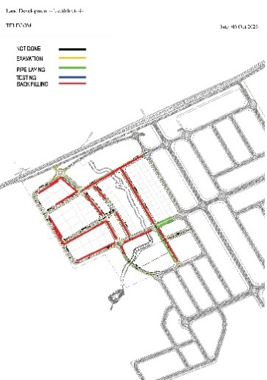
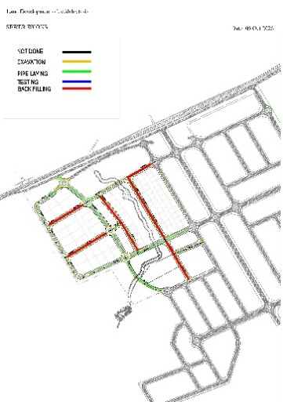
انتهاء من تقديم واعتماد المخططات والمواد |  | 22-Jan-26 | تم الإنتهاء
انتهاء من أعمال الطرق والرصف |  | 15-Jun-26 | جاري أعمال التنفيذ
انتهاء من أعمال الكهربائية |  | 22-Jan-27 | جاري أعمال التنفيذ
انتهاء من أعمال شبكة مياه الشرب |  | 23-Nov-26 | جاري أعمال التنفيذ


انتهاء من اعمال شبكة المياه المعالجة |  | 23-Nov-26 | جاري أعمال التنفيذ
انتهاء من أعمال شبكة مياه الصرف الصحي |  | 23-Jul-26 | جاري أعمال التنفيذ
انتهاء من أعمال شبكة صرف مياه الامطار |  | 12-Jul-26 | جاري أعمال التنفيذ

